CDEs
CT - Acute Stroke |  |  |  | Prototype worksheet for CT Stroke CDE collection - Sameer Ansari
Group | Essential (y/n) | Feature Name | Options (Responses) | Description of Feature | Provenance (refs) | Comments

 | CT STROKE CDEs/ SAMEER'S PRELIMINARY CLASSIFICATION-ORGANIZATION (DISCUSS/EDIT WITH ADAM/GROUP 3/29/18)

 |  | Anatomic Distribution of Stroke
 |  | Laterality |  | R/L
 |  | Location |  | Frontal-parietal-temporal-occiptial lobe, basal ganglia, midbrain-pons, cerebellum
 |  | Type |  | Cortical, subcortical, lacunar
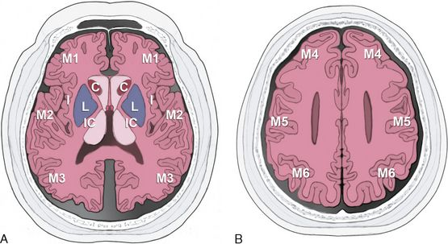
 |  | Size/Volume |  | AP x Trans x CC Measurements

 |  | Vascular Distribution of Stroke
 |  | Laterality |  | R/L
 |  | Vascular Territory |  | ACA, MCA, PCA, SCA, AICA, PICA, lenticulostriate/basilar perforator, thalamoperforator, AntChoroidal
 |  | Mechanism/Pattern |  | Embolic, perforator, watershed/borderzone

 |  | Acute Signs of Ischemia/Infarction
 |  | Cytotoxic Edema |  | Hypoattentuation/Loss of gray-white, Obscuration of cortical ribbon, insular cortex or deep gray nuclei (basal ganglia)
 |  | ASPECTS classification |  | Score 1 to 10

 |  | Subacute Signs of Ischemia/Infarction
 |  | Mass Effect |  | Low attenuation, Sulcal effacement, Gyral thickening
 |  | Midline Shift |  | Measurement
 |  | Herniation |  | Subfalcine / Transtentorial
 |  | Contrast (if provided) |  | Intravascular Enhancement (vascular stasis) vs Parenchymal Enhancement (luxury perfusion)

 |  | Hemorrhagic Complications of Ischemic Stroke |  | Reperfusion or Infarct Transformation |  | need a clear element for 1)expected hemorrhage (petechial cortical hemorrhage, for example) and 2)hemorrhagic complication
 |  | Location |  | Anatomic descriptions as above (laterality/location)
 |  | Type |  | SAH, IPH - petechiae or confluent/parenchymal versus contrast staining
 |  | ECASS 3 classification |  | Classification HI-1, HI-2, PH-1 or PH-2
 |  | Size / Volume (if parenchymal) |  | AP x Trans x CC Measurements

 |  | NeuroVascular Imaging
 |  | Thromboembolic Occlusion |  | Hyperdense artery / dural venous sinus, calcified embolus
 |  | Contrast (if provided) |  | Filling defects, cord/empty deltal signs
 |  | Atherosclerotic Calcifications
 |  | Severity |  | mild/moderate/severe
 |  | Location |  | cavernous/supraclinoid ICA, A1-A2 ACA, M1-M2 MCA, V4 VA-BA, P1-P2 PCA

 |  | Chronic Signs of Ischemia/Infarction
 |  | Volume Loss |  | Encephalomalacia / gliosis, ex-vacuo ventricular dilatation |  | Prior strokes
 |  | Cortical Laminar Necrosis
 |  | Wallerian degeneration

